IL
Household Cleaning Essentials

Item# | Description | Image | UPC | Case Pack | # Cases | # Cases / Pallet | Retail Link | # Units | Price

G8053S | Green Gobbler - Toilet Bowl Cleaner - Septic Boost, 24oz |  | 810056280536 | 6 | 3,548 | 145 | greengobler $6.99 | 21,289 | $3.49
G6037J | Green Gobbler - Emergency Septic Sludge Remover, 1g | 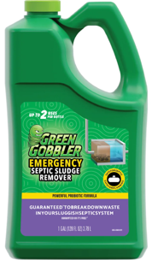 | 850009060372 | 4 | 4,045 | 48 | greengobler $25.99 | 16,180 | $10.22
G8080J | Green Gobbler - Liquid Toilet Plunger, 60oz | 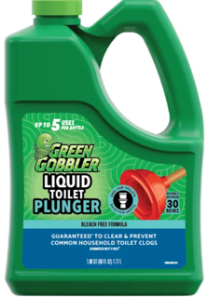 | 810056280802 | 4 | 3,835 | 72 | greengobbler $39.99 | 15,343 | $5.77
G8048 | Green Gobbler - Total Control Weed & Grass Killer, 1g | 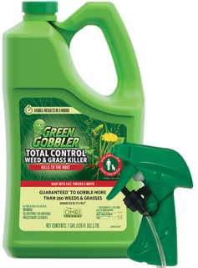 | 810056280482 | 4 | 3,566 | 27 | greengobbler $29.99 | 14,265 | $12.16
G8050W | Green Gobbler - Total Control Weed & Grass Killer With Rfid, 1g | 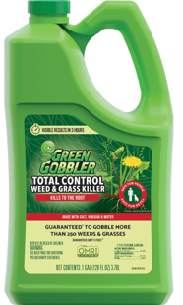 | 810056280505 | 4 | 2,709 | 36 | greengobbler $26.99 | 10,839 | $7.22
G8078 | Green Gobbler - Stink Buster, 14oz |  | 810056280789 | 4 | 2,650 | 384 | greengobbler $16.99 | 10,603 | $4.72
G8068J | Green Gobbler - Septic Liquid, 32oz |  | 810056280246 | 6 | 1,542 | 200 | greengobbler $17.99 | 9,257 | $4.94
G8063 | Green Gobbler - Drain Opening Powder, 3.31lbs | 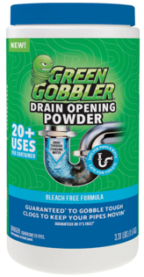 | 810056280635 | 10 | 691 | 90 | amazon $44.98 3.9 ratings 493 reviews | 6,918 | $6.94
G0732 | Green Gobbler - Fruit Fly Killer, 32oz |  | 859501007328 | 8 | 29 | 75 | greengobbler $15.99 | 232 | $4.55
4215A | Gonzo - Odor Air Magnet Max Essential Oil, Linen, 14oz | 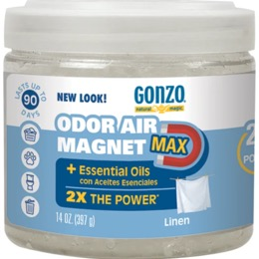 | 781748042155 | 6 | 3,174 | 240 | gonzo $8.99 | 19,044 | $2.66
4166A | Gonzo - Odor Air Magnet Max Essential Oil, Lavender, 14oz | 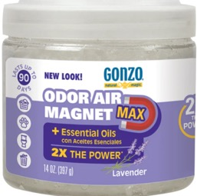 | 781748041660 | 6 | 2,771 | 240 | gonzo $8.99 | 16,626 | $4.38
4158EC | Gonzo - Odor Air Magnet Max - Fragrance Free, 14oz | 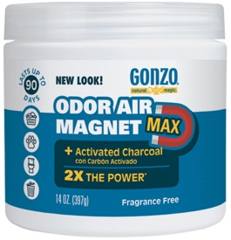 | 781748415805 | 12 | 101 | 120 | amazon $12.99 on sale $11.97 4.3 ratings 420 reviews | 1,212 | $2.44
1013D | Gonzo - Odor Eliminator for Homes, 32oz | 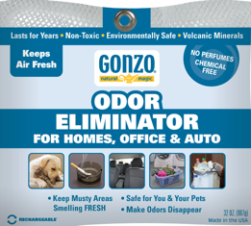 | 010572982000 | 6 | 2,336 | 60 | gonzo price not posted | 14,019 | $5.88
522JC | Weiman - Hardwood Cleaner - Canadian, 32oz | 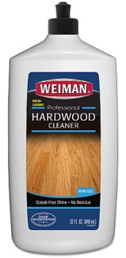 | 041598052200 | 6 | 1,449 | 100 | officecrave $5.78 | 8,694 | $4.49
 |  |  |  |  |  |  |  | 164,521

